DL1
Project Name :
 |  | THE LIGHTBOX PTE.LTD.
 |  | 8 Jalan Kilang Timor, #03-14 Kewalram House
 |  | Singapore 159305
 |  | TEL: 65 62946803 FAX: 65 63240868
 |  | www.lightboxlighting.com

APPLICATION | INDOOR LIGHTING |  | Code : DL1

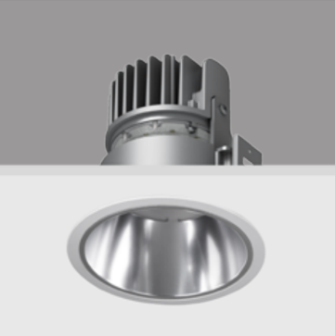
 |  |  | LUMINAIRE TYPE
 |  |  | Downlight
 |  |  | LIGHT SOURCE | LAMP TYPE
 |  |  | LED 15W | LED
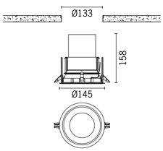
 |  |  | LUMEN OUTPUT
 |  |  | 1650lm
 |  |  | OPTICAL
 |  |  | 25°
 |  |  | COLOR TEMPERATURE
 |  |  | 2700K
 |  |  | COLOR RENDERING
 |  |  | CRI 80
 |  |  | FINISHING
 |  |  | White,BLACK
 |  |  | UGR RATING
· Eco-friendly LED product for energy saving and visual consistency. · Modular design for easy maintenance with future proofing. · Propriety lens design for high LOR. · Reliable thermal management for long life and lumen maintenance. · Dimming options available. · Excellent CRI for actual colour reproduction.
 |  |  | LUMEN MAINTENANCE
 |  |  | L80
 |  |  | IP RATING
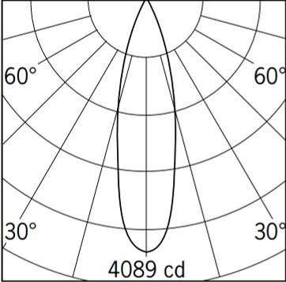
 |  |  | MANUFACTURER
 |  |  | LIGMAN
 |  |  | MODEL
 |  |  | AM-80021

 |  |  | DRIVER
 |  |  | 1-10V dimmable

 |  |  | SUPPLIER
 |  |  | BLOX PTE LTD

 |  |  | UNIT PRICE

DL2
Project Name :
 |  | THE LIGHTBOX PTE.LTD.
 |  | 8 Jalan Kilang Timor, #03-14 Kewalram House
 |  | Singapore 159305
 |  | TEL: 65 62946803 FAX: 65 63240868
 |  | www.lightboxlighting.com

APPLICATION | OUTDOOR LIGHTING |  | Code : DL2

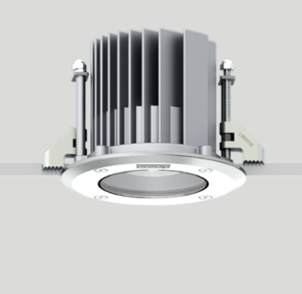
 |  |  | LUMINAIRE TYPE
 |  |  | Downlights
 |  |  | LIGHT SOURCE | LAMP TYPE
 |  |  | LED 30W | LED
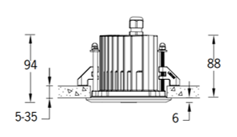
 |  |  | LUMEN OUTPUT
 |  |  | 818lm
 |  |  | OPTICAL
 |  |  | 18°
 |  |  | COLOR TEMPERATURE
 |  |  | 3000K
 |  |  | COLOR RENDERING
 |  |  | CRI 80
 |  |  | FINISHING
 |  |  | White,BLACK
 |  |  | UGR RATING
Application A compact recessed exterior downlight with a round or square front frame design. Options of stainless steel or powder coated aluminium front frame. The luminaires are designed for use in interior and exterior applications in shopping mall and public areas as architectural ceiling downlight. Main characteristics are low glare and limited maintenance concept. Description The luminaire rated as CLASS I with remote driver. Colour temperature 3000K and 4000K, LED CRI >80 and life time 50,000 Hours. Low copper content die-cast aluminium housing ensuring high corrosion resistance. Option of 6mm. aluminium thick grade 304 stainless steel front frame. Stainless steel fasteners in grade 316. Power is provided to the luminaire through a single PG9 water tight cable gland. Durable silicone rubber gasket and clear toughened glass.
 |  |  | LUMEN MAINTENANCE
 |  |  | L80
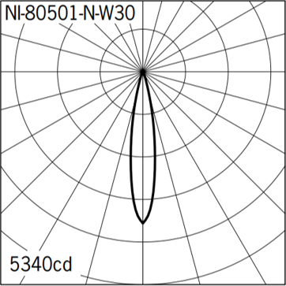
 |  |  | IP RATING
 |  |  | IP 65
 |  |  | MANUFACTURER
 |  |  | LIGMAN
 |  |  | MODEL
 |  |  | NI-80501

 |  |  | DRIVER

 |  |  | SUPPLIER
 |  |  | BLOX PTE LTD

 |  |  | UNIT PRICE

DL3
Project Name :
 |  | THE LIGHTBOX PTE.LTD.
 |  | 8 Jalan Kilang Timor, #03-14 Kewalram House
 |  | Singapore 159305
 |  | TEL: 65 62946803 FAX: 65 63240868
 |  | www.lightboxlighting.com

APPLICATION | INDOOR LIGHTING |  | Code : DL3

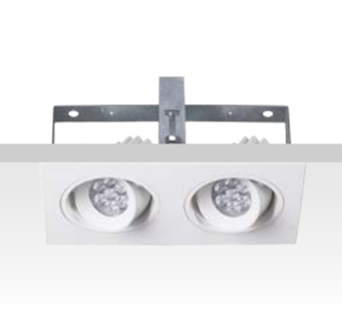
 |  |  | LUMINAIRE TYPE
 |  |  | Adjustable downlight
 |  |  | LIGHT SOURCE | LAMP TYPE
 |  |  | LED 24W | LED
 |  |  | LUMEN OUTPUT
 |  |  | 1343lm
 |  |  | OPTICAL
 |  |  | 24°
 |  |  | COLOR TEMPERATURE
 |  |  | 2700K
 |  |  | COLOR RENDERING
 |  |  | CRI 80
 |  |  | FINISHING
 |  |  | White,BLACK
 |  |  | UGR RATING
Eco-friendly LED product for energy saving andvisual consistency. Modular design for easy maintenance withfuture proofing. Propriety lens design for high LOR. Reliable thermal management for long life andlumen maintenance. Dimming options available. Excellent CRI for actual colour reproduction. Adjustable 30° LED Module. White powder coated aluminium reflector Die-cast aluminium / White or black coated Die-cast aluminium heat sink / Excellent thermalmanagement
 |  |  | LUMEN MAINTENANCE
 |  |  | L80
 |  |  | IP RATING
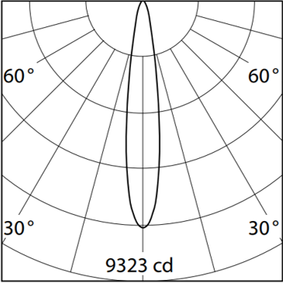
 |  |  | IP 20
 |  |  | MANUFACTURER
 |  |  | LIGMAN
 |  |  | MODEL
 |  |  | CD-80011

 |  |  | DRIVER
 |  |  | 1-10V dimmable

 |  |  | SUPPLIER
 |  |  | BLOX PTE LTD

 |  |  | UNIT PRICE

DL4
Project Name :
 |  | THE LIGHTBOX PTE.LTD.
 |  | 8 Jalan Kilang Timor, #03-14 Kewalram House
 |  | Singapore 159305
 |  | TEL: 65 62946803 FAX: 65 63240868
 |  | www.lightboxlighting.com

APPLICATION | INDOOR LIGHTING |  | Code : DL4

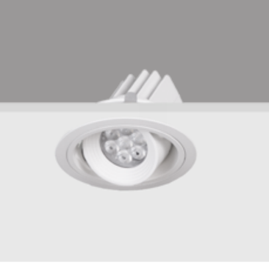
 |  |  | LUMINAIRE TYPE
 |  |  | Adjustable downlight
 |  |  | LIGHT SOURCE | LAMP TYPE
 |  |  | LED 12W | LED
 |  |  | LUMEN OUTPUT
 |  |  | 958lm
 |  |  | OPTICAL
 |  |  | 26°
 |  |  | COLOR TEMPERATURE
 |  |  | 2700K ,3000K , 4000K
 |  |  | COLOR RENDERING
 |  |  | CRI 80
 |  |  | FINISHING
 |  |  | White
 |  |  | UGR RATING
· Eco-friendly LED product for energy saving and visual consistency. · Modular design for easy maintenance with future proofing. · Propriety lens design for high LOR. · Reliable thermal management for long life and lumen maintenance. · Dimming options available. · Excellent CRI for actual colour reproduction. · Adjustable 30° LED Module.
 |  |  | LUMEN MAINTENANCE
 |  |  | L80
 |  |  | IP RATING
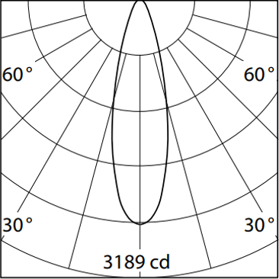
 |  |  | IP 20
 |  |  | MANUFACTURER
 |  |  | LIGMAN
 |  |  | MODEL
 |  |  | JS-80021

 |  |  | DRIVER
 |  |  | 1-10V dimmable

 |  |  | SUPPLIER
 |  |  | BLOX PTE LTD

 |  |  | UNIT PRICE

DL5
Project Name :
 |  | THE LIGHTBOX PTE.LTD.
 |  | 8 Jalan Kilang Timor, #03-14 Kewalram House
 |  | Singapore 159305
 |  | TEL: 65 62946803 FAX: 65 63240868
 |  | www.lightboxlighting.com

APPLICATION | INDOOR LIGHTING |  | Code : DL5

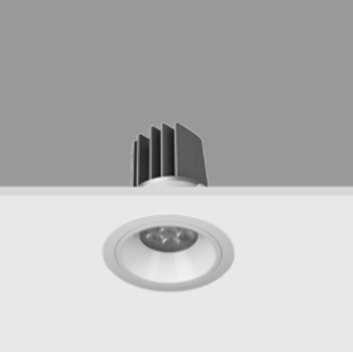
 |  |  | LUMINAIRE TYPE
 |  |  | Downlight
 |  |  | LIGHT SOURCE | LAMP TYPE
 |  |  | LED 12W | LED
 |  |  | LUMEN OUTPUT
 |  |  | 958lm
 |  |  | OPTICAL
 |  |  | 27°
 |  |  | COLOR TEMPERATURE
 |  |  | 2700K
 |  |  | COLOR RENDERING
 |  |  | CRI 80
 |  |  | FINISHING
 |  |  | White
 |  |  | UGR RATING
· Eco-friendly LED product for energy saving and visual consistency. · Modular design for easy maintenance with future proofing. · Propriety lens design for high LOR. · Reliable thermal management for long life and lumen maintenance. · Dimming options available. · Excellent CRI for actual colour reproduction.
 |  |  | LUMEN MAINTENANCE
 |  |  | L80
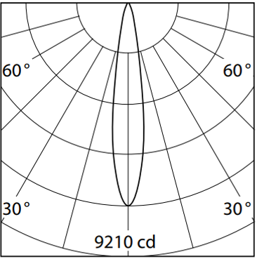
 |  |  | IP RATING

 |  |  | MANUFACTURER
 |  |  | LIGMAN
 |  |  | MODEL
 |  |  | MY-80021

 |  |  | DRIVER
 |  |  | 1-10V dimmable

 |  |  | SUPPLIER
 |  |  | BLOX PTE LTD

 |  |  | UNIT PRICE

DL6
Project Name :
 |  | THE LIGHTBOX PTE.LTD.
 |  | 8 Jalan Kilang Timor, #03-14 Kewalram House
 |  | Singapore 159305
 |  | TEL: 65 62946803 FAX: 65 63240868
 |  | www.lightboxlighting.com

APPLICATION | INDOOR LIGHTING |  | Code : DL6

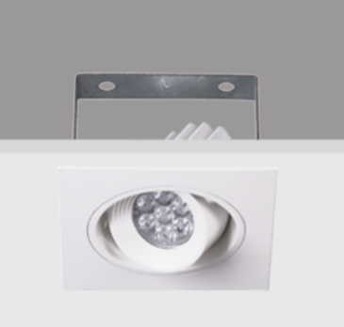
 |  |  | LUMINAIRE TYPE
 |  |  | Adjustable downlight
 |  |  | LIGHT SOURCE | LAMP TYPE
 |  |  | LED 12W | LED
 |  |  | LUMEN OUTPUT
 |  |  | 958lm
 |  |  | OPTICAL
 |  |  | 35°
 |  |  | COLOR TEMPERATURE
 |  |  | 3000K
 |  |  | COLOR RENDERING
 |  |  | CRI 80
 |  |  | FINISHING
 |  |  | White
 |  |  | UGR RATING
· Eco-friendly LED product for energy saving and visual consistency. · Modular design for easy maintenance with future proofing. · Propriety lens design for high LOR. · Reliable thermal management for long life and lumen maintenance. · Dimming options available. · Excellent CRI for actual colour reproduction. · Adjustable 30° LED Module.
 |  |  | LUMEN MAINTENANCE
 |  |  | L80
 |  |  | IP RATING
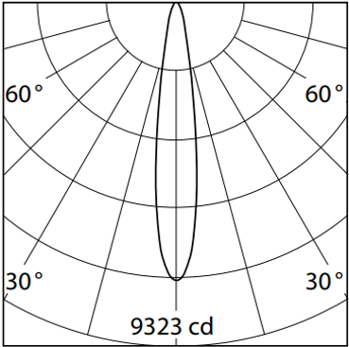
 |  |  | MANUFACTURER
 |  |  | LIGMAN
 |  |  | MODEL
 |  |  | RC-80011

 |  |  | DRIVER
 |  |  | 1-10V dimmable

 |  |  | SUPPLIER
 |  |  | BLOX PTE LTD

 |  |  | UNIT PRICE

DL7
Project Name :
 |  | THE LIGHTBOX PTE.LTD.
 |  | 8 Jalan Kilang Timor, #03-14 Kewalram House
 |  | Singapore 159305
 |  | TEL: 65 62946803 FAX: 65 63240868
 |  | www.lightboxlighting.com

APPLICATION | INDOOR LIGHTING |  | Code : DL7

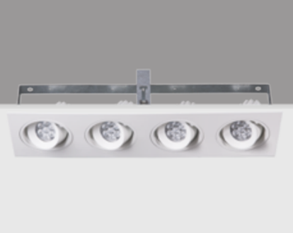
 |  |  | LUMINAIRE TYPE
 |  |  | Adjustable downlight
 |  |  | LIGHT SOURCE | LAMP TYPE
 |  |  | LED 47W | LED
 |  |  | LUMEN OUTPUT
 |  |  | 3830lm
 |  |  | OPTICAL
 |  |  | 26°
 |  |  | COLOR TEMPERATURE
 |  |  | 2700K
 |  |  | COLOR RENDERING
 |  |  | CRI 80
 |  |  | FINISHING
 |  |  | White
 |  |  | UGR RATING
· Eco-friendly LED product for energy saving and visual consistency. · Modular design for easy maintenance with future proofing. · Propriety lens design for high LOR. · Reliable thermal management for long life and lumen maintenance. · Dimming options available. · Excellent CRI for actual colour reproduction. · Adjustable 30° LED Module
 |  |  | LUMEN MAINTENANCE
 |  |  | L80
 |  |  | IP RATING
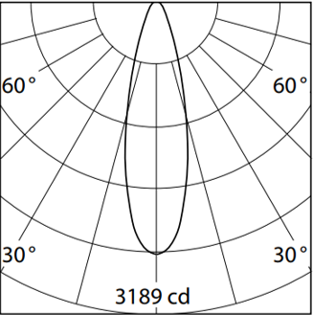
 |  |  | MANUFACTURER
 |  |  | LIGMAN
 |  |  | MODEL
 |  |  | TS-80011

 |  |  | DRIVER
 |  |  | 1-10V dimmable

 |  |  | SUPPLIER
 |  |  | BLOX PTE LTD

 |  |  | UNIT PRICE

DL8
Project Name :
 |  | THE LIGHTBOX PTE.LTD.
 |  | 8 Jalan Kilang Timor, #03-14 Kewalram House
 |  | Singapore 159305
 |  | TEL: 65 62946803 FAX: 65 63240868
 |  | www.lightboxlighting.com

APPLICATION | INDOOR LIGHTING |  | Code : DL8

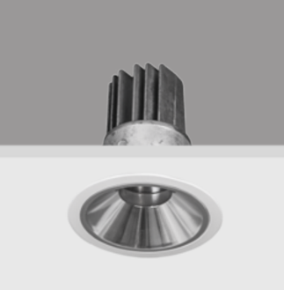
 |  |  | LUMINAIRE TYPE
 |  |  | Downlight
 |  |  | LIGHT SOURCE | LAMP TYPE
 |  |  | LED 12W | LED
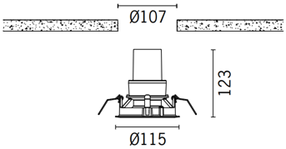
 |  |  | LUMEN OUTPUT
 |  |  | 765lm
 |  |  | OPTICAL
 |  |  | 25°
 |  |  | COLOR TEMPERATURE
 |  |  | 3000K
 |  |  | COLOR RENDERING
 |  |  | CRI 80
 |  |  | FINISHING
 |  |  | White
 |  |  | UGR RATING
· Eco-friendly LED product for energy saving and visual consistency. · Modular design for easy maintenance with future proofing. · Propriety lens design for high LOR. · Reliable thermal management for long life and lumen maintenance. · Dimming options available. · Excellent CRI for actual colour reproduction.
 |  |  | LUMEN MAINTENANCE
 |  |  | L80
 |  |  | IP RATING
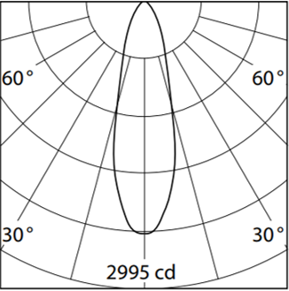
 |  |  | MANUFACTURER
 |  |  | LIGMAN
 |  |  | MODEL
 |  |  | SI-80021

 |  |  | DRIVER
 |  |  | DALI dimmable

 |  |  | SUPPLIER
 |  |  | BLOX PTE LTD

 |  |  | UNIT PRICE

DL9
Project Name :
 |  | THE LIGHTBOX PTE.LTD.
 |  | 8 Jalan Kilang Timor, #03-14 Kewalram House
 |  | Singapore 159305
 |  | TEL: 65 62946803 FAX: 65 63240868
 |  | www.lightboxlighting.com

APPLICATION | INDOOR LIGHTING |  | Code : DL7

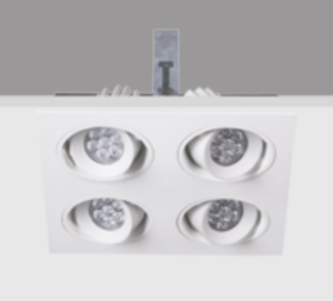
 |  |  | LUMINAIRE TYPE
 |  |  | Adjustable downlight
 |  |  | LIGHT SOURCE | LAMP TYPE
 |  |  | LED 47W | LED
 |  |  | LUMEN OUTPUT
 |  |  | 3532lm
 |  |  | OPTICAL
 |  |  | 26°
 |  |  | COLOR TEMPERATURE
 |  |  | 3000K
 |  |  | COLOR RENDERING
 |  |  | CRI 80
 |  |  | FINISHING
 |  |  | White
 |  |  | UGR RATING
Eco-friendly LED product for energy saving and visual consistency. · Modular design for easy maintenance with future proofing. · Propriety lens design for high LOR. · Reliable thermal management for long life and lumen maintenance. · Dimming options available. · Excellent CRI for actual colour reproduction. · Adjustable 30° LED Module.
 |  |  | LUMEN MAINTENANCE
 |  |  | L80
 |  |  | IP RATING
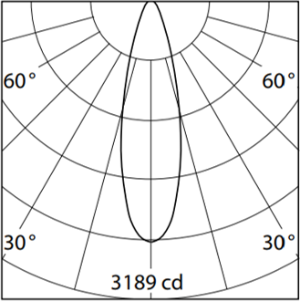
 |  |  | MANUFACTURER
 |  |  | LIGMAN
 |  |  | MODEL
 |  |  | NO-80011

 |  |  | DRIVER
 |  |  | 1-10V dimmable

 |  |  | SUPPLIER
 |  |  | BLOX PTE LTD

 |  |  | UNIT PRICE

DL10
Project Name :
 |  | THE LIGHTBOX PTE.LTD.
 |  | 8 Jalan Kilang Timor, #03-14 Kewalram House
 |  | Singapore 159305
 |  | TEL: 65 62946803 FAX: 65 63240868
 |  | www.lightboxlighting.com

APPLICATION | INDOOR LIGHTING |  | Code : DL10

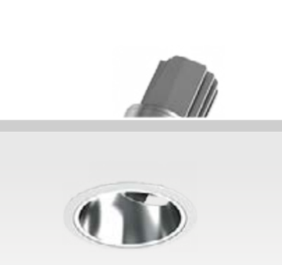
 |  |  | LUMINAIRE TYPE
 |  |  | Adjustable downlight
 |  |  | LIGHT SOURCE | LAMP TYPE
 |  |  | LED 30W | LED
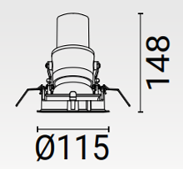
 |  |  | LUMEN OUTPUT
 |  |  | 740lm
 |  |  | OPTICAL
 |  |  | 25°
 |  |  | COLOR TEMPERATURE
 |  |  | 2700K
 |  |  | COLOR RENDERING
 |  |  | CRI 80
 |  |  | FINISHING
 |  |  | White
 |  |  | UGR RATING
– Eco-friendly LED product for energy saving and visual consistency. – Modular design for easy maintenance with future proofing. – Propriety lens design for high LOR. – Reliable thermal management for long life and lumen maintenance. – Dimming options available. – Excellent CRI for actual colour reproduction. – Adjustable 30° LED Module. – White powder coated aluminium reflector – Die-cast aluminium / White or black coated – Die-cast aluminium heat sink / Excellent thermalmanagement
 |  |  | LUMEN MAINTENANCE
 |  |  | L80
 |  |  | IP RATING
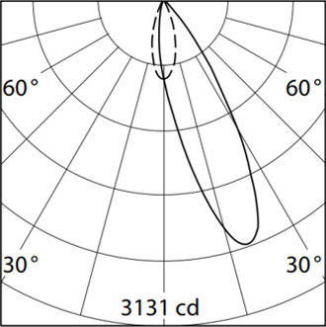
 |  |  | IP 20
 |  |  | MANUFACTURER
 |  |  | LIGMAN
 |  |  | MODEL
 |  |  | HY-80021

 |  |  | DRIVER
 |  |  | DALI dimmable

 |  |  | SUPPLIER
 |  |  | BLOX PTE LTD

 |  |  | UNIT PRICE

